Summary
Daily Report - Day 1 |  |  |  |  |  |  |  |  | Hướng dẫn:
Date | 16-Aug-22 |  |  |  |  |  |  |  | 1. Save file trên GDrive, share cho team và GV ở email kim.nguyen.mt@gmail.com
Build | 0.9.8 |  |  |  |  |  |  |  | 2. Test Lead hoàn thành sheet Summary, các ô màu hồng
 |  |  |  |  |  |  |  |  | 3. Toàn team hoàn thành TCs và Bugs theo yêu cầu mỗi ngày.
Team 1 |  | Name |  |  |  |  |  |  | Cách sửa bài
 | - Test Lead | Trịnh Gia Khiêm |  |  |  |  |  |  | 1. GV comment và tô màu vàng các ô cần sửa
 | - Tester 1 | Bùi Quang Dũng |  |  |  |  |  |  | 2. HV tự sửa bài theo comment của GV. Sau khi sửa xong thì tô màu xanh lên ô đó. Tất cả các ô màu vàng phải được sửa. Vào cuối ngày khi nộp bài không được để lại một ô màu vàng nào cả.
 | - Tester 2 | Khưu Cẩm Tú |  |  |  |  |  |  | 3. GV sẽ kiểm tra lại ô màu xanh, nếu Ok, GV sẽ đổi thành màu trắng, còn nếu vẫn chưa được thì GV sẽ tiếp tục comment và tô màu vàng lại.
 | - Tester 3 | Nguyễn Văn Tài |  |  |  |  |  |  | * Không "Resolved" hay Delete comment của GV nhé !!!
 | - Tester 4 | Võ Thị Lộc
 | - Tester 5

Smoke Test |  | # | %
 | Passed | 6 | 100%
 | Failed | 0 | 0%
 | Total: | 6 | 100%

TC List |  | # | %
 | Passed | 10 | 59%
 | Failed | 7 | 41%
 | Total: | 17 | 100%

Bug Status |  | # | %
(Type in) | Open | 6 | 60%
 | Closed as Valid | 0 | 0%
 | Closed as Invalid | 4 | 40%
 | Total: | 10 | 100%

Daily Report - Day 2
Date | 17/08/2022
Build | 0.9.9

Team 1 |  | Name
 | - Test Lead | Bùi Quang Dũng
 | - Tester 1 | Trịnh Gia Khiêm
 | - Tester 2 |  | Khưu Cẩm Tú
 | - Tester 3 |  | Nguyễn Văn Tài
 | - Tester 4 | Võ Thị Lộc
 | - Tester 5

Smoke Test |  | # | %
 | Passed | 5 | 83%
 | Failed | 1 | 17%
 | Total: | 6 | 100%

TC List |  | # | %
 | Passed | 16 | 94%
 | Failed | 7 | 41%
 | Total: | 23 | 135%

Bug Status |  | # | %
(Type in) | Open | 14 | 56%
 | Closed as Valid | 5 | 20%
 | Closed as Invalid | 6 | 24%
 | Total: | 25 | 100%

Build Progress

 |  | 0.9.8 | 0.9.9
 | # of TCs Created | 17 | 23
 | # of Passed TCs | 10 | 16
 | # of Failed TCs | 7 | 7

 |  | 0.9.8 | 0.9.9
 | # of Bugs found | 10 | 25
 | # of Open Bugs | 6 | 14
 | # of Closed Valid Bugs | 0 | 5
 | # of Closed Invalid Bugs | 4 | 6

Daily Report - Day 3
Date | 19/08/2022
Build | 1.0.0

Team 1 |  | Name
 | - Test Lead | Nguyễn Văn Tài
 | - Tester 1 | Bùi Quang Dũng
 | - Tester 2 |  | Trịnh Gia Khiêm
 | - Tester 3 |  | Khưu Cẩm Tú
 | - Tester 4 | Võ Thị Lộc
 | - Tester 5

Smoke Test |  | # | %
 | Passed | 5 | 83%
 | Failed | 1 | 17%
 | Total: | 6 | 100%

TC List |  | # | %
 | Passed | 25 | 147%
 | Failed | 9 | 53%
 | Total: | 34 | 200%

Bug Status |  | # | %
(Type in) | Open | 22 | 61%
 | Closed as Valid | 5 | 14%
 | Closed as Invalid | 9 | 25%
 | Total: | 36 | 100%

Build Progress

 |  | 0.9.8 | 0.9.9 | 1.0.0
 | # of TCs Created | 17 | 23 | 34
 | # of Passed TCs | 10 | 16 | 25
 | # of Failed TCs | 7 | 7 | 9

 |  | 0.9.8 | 0.9.9 | 1.0.0
 | # of Bugs found | 10 | 25 | 36
 | # of Open Bugs | 6 | 14 | 22
 | # of Closed Valid Bugs | 0 | 5 | 5
 | # of Closed Invalid Bugs | 4 | 6 | 9

Team Statistic
Name | # of TCs Created | # of TCs Executed | # of Reviewed TCs | Urgent | High | Medium | Low | # of Reviewed Bugs | # of Regressed 1 | # of Regressed 2 | Scoring
Tú | 5 | 12 | 0 | 2 | 0 | 1 | 0 | 0 | 0 | 0 | 120
Lộc | 7 | 9 | 0 | 0 | 2 | 3 | 0 | 0 | 0 | 0 | 127
Tài | 6 | 9 | 5 | 0 | 2 | 4 | 0 | 5 | 1 | 0 | 149
Dũng | 8 | 16 | 6.5 | 0 | 1 | 4 | 1 | 7.5 | 0 | 0 | 209.5
Khiêm | 5 | 27 | 8.5 | 0 | 2 | 1 | 2 | 5 | 0 | 4 | 240
 | 0 | 0 | 0 | 0 | 0 | 0 | 0 | 0 | 0 | 0 | 0

Bug Screenshot
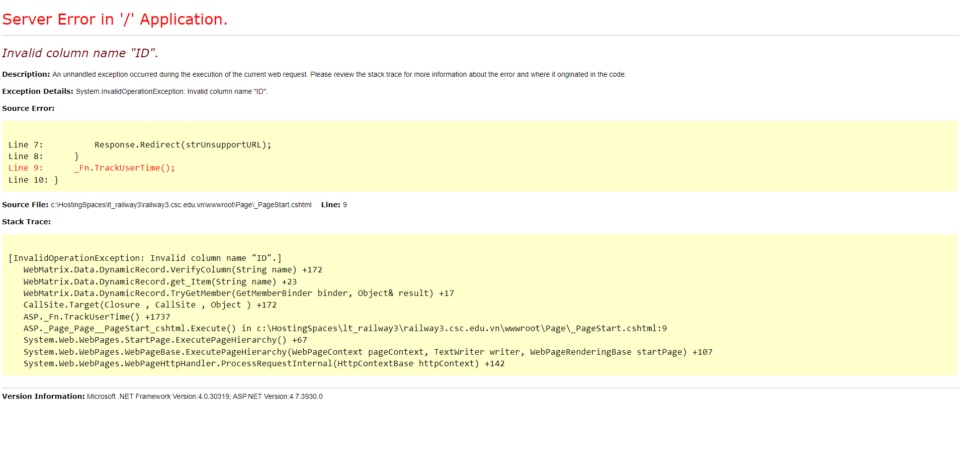
ID#16

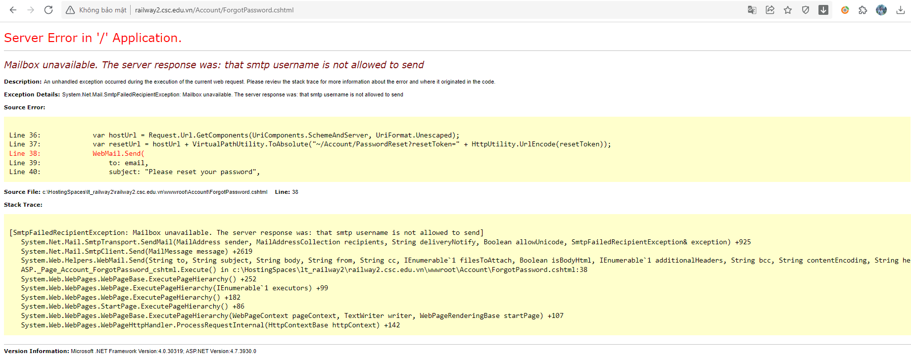

BugID#17

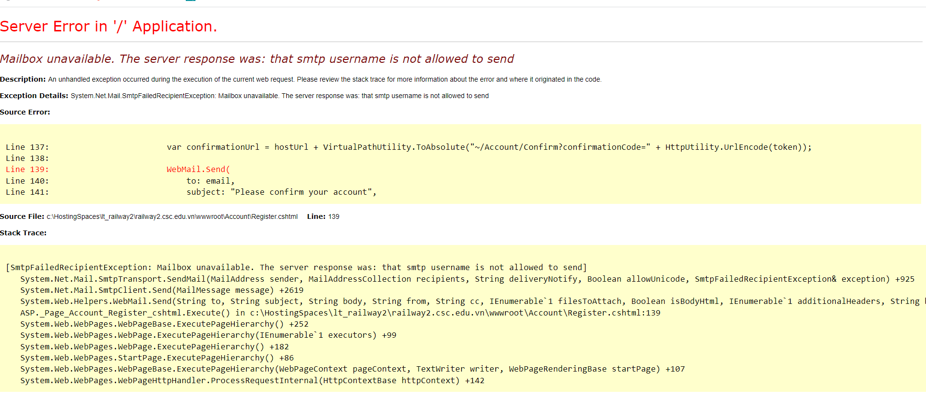

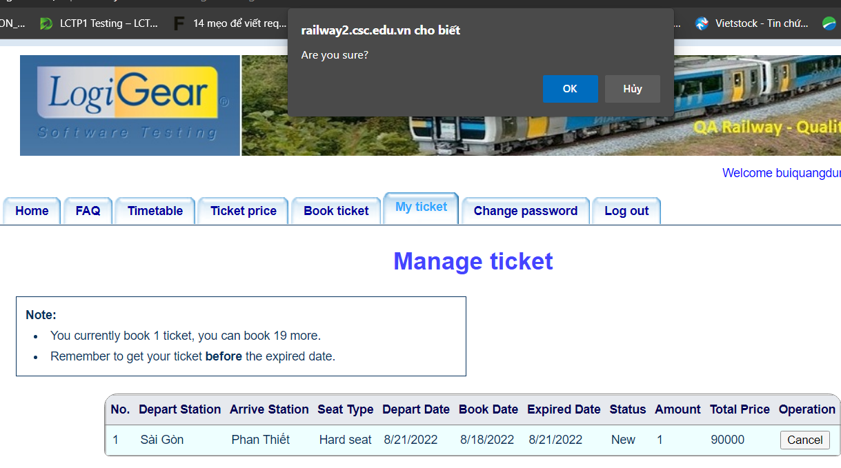
Bug ID# 13

Bug ID#22
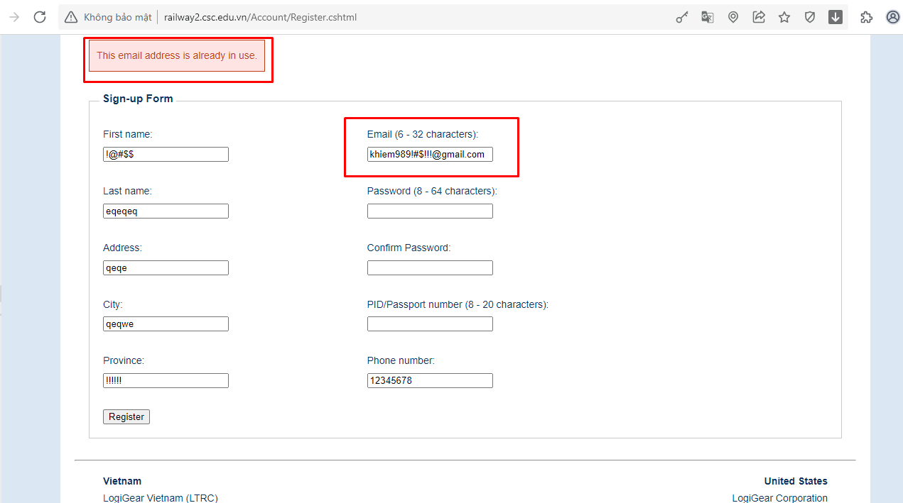

Bug ID#23
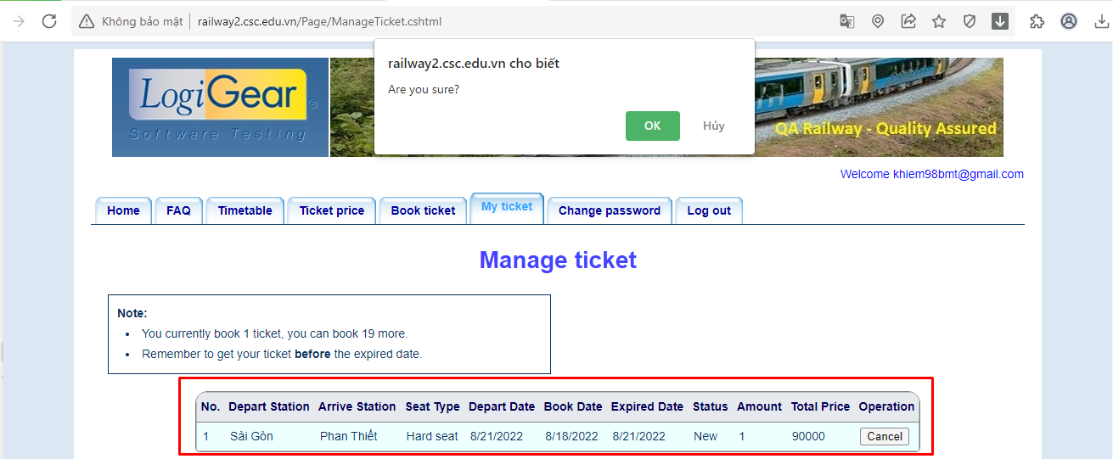

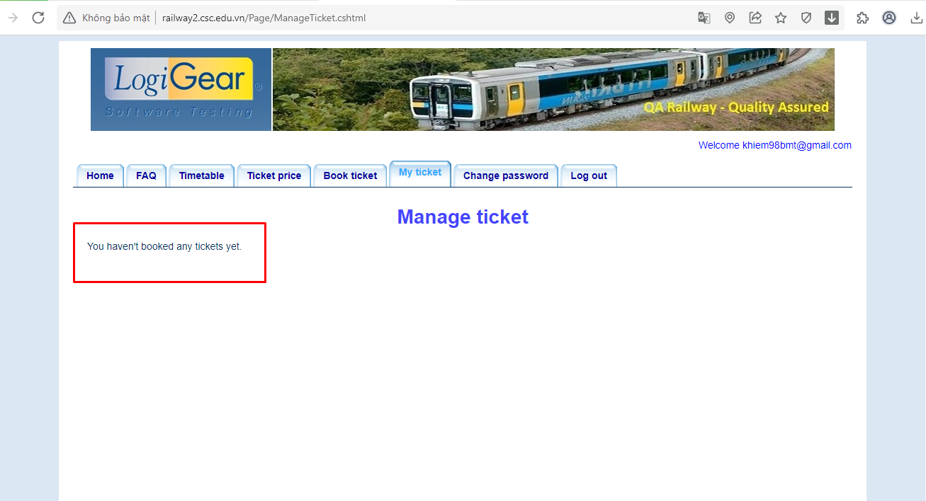

Bug ID 31

